FFP_45degree0.51%_total51.11
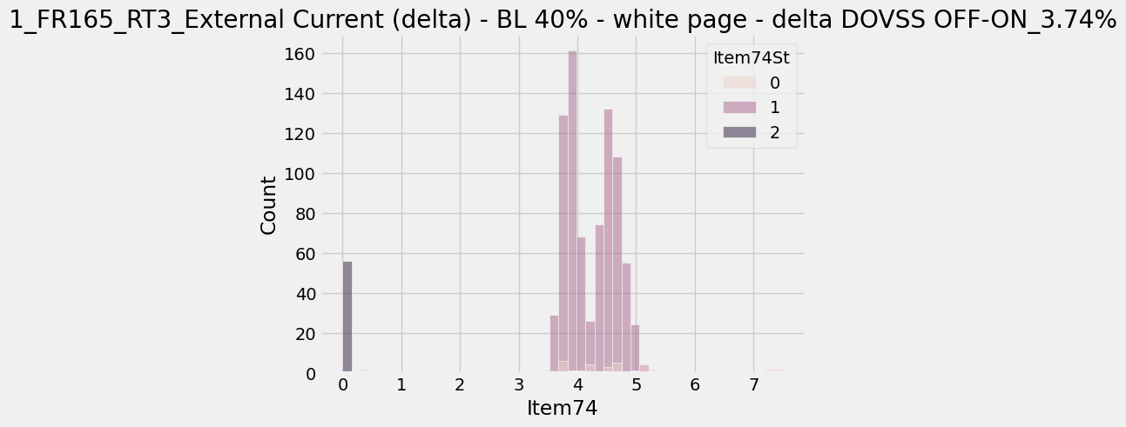
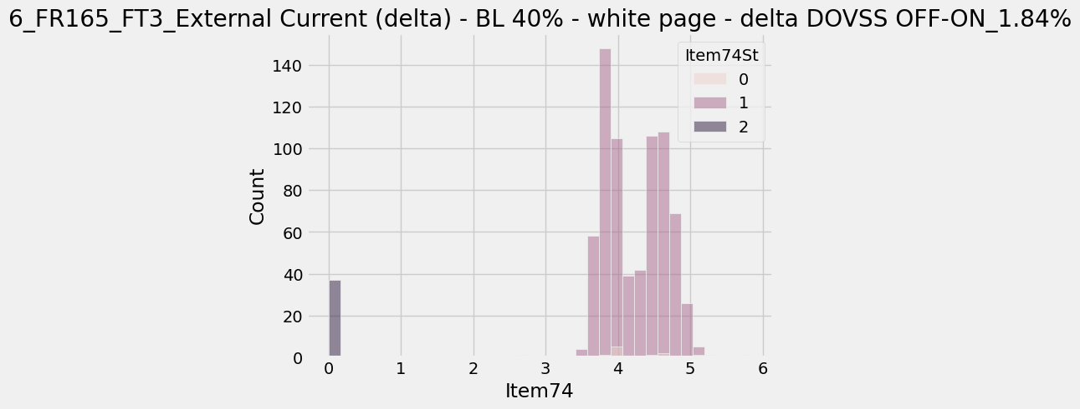
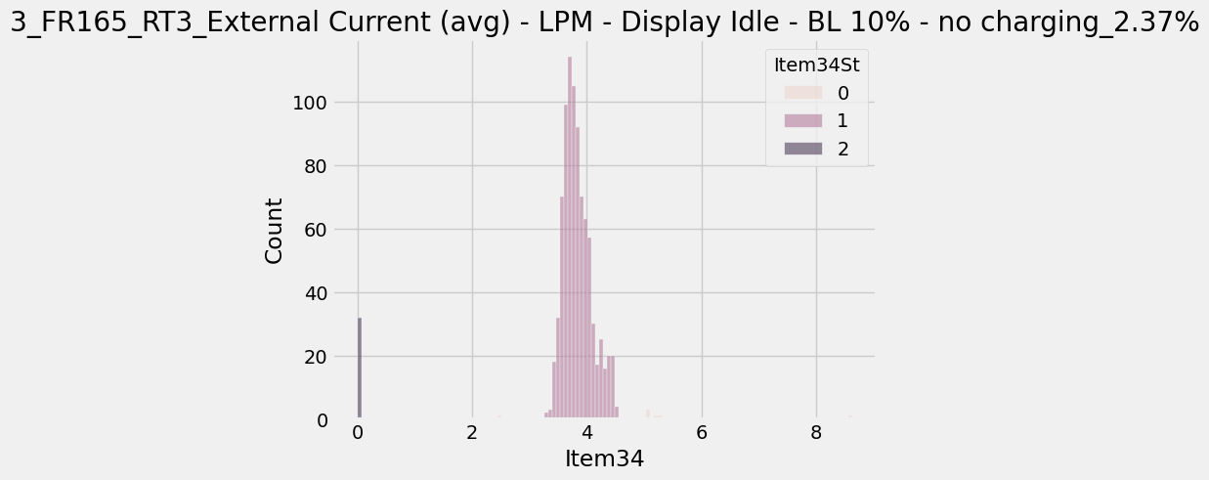
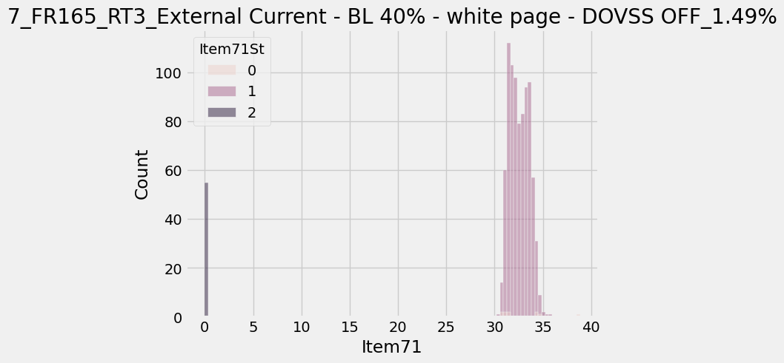
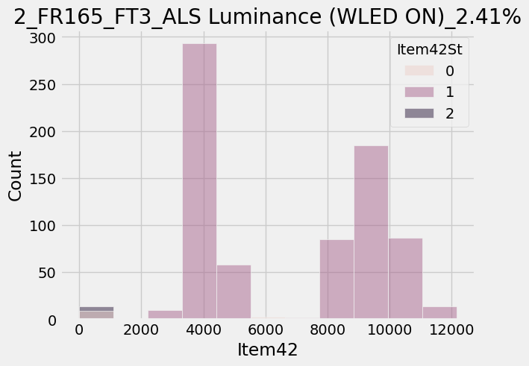
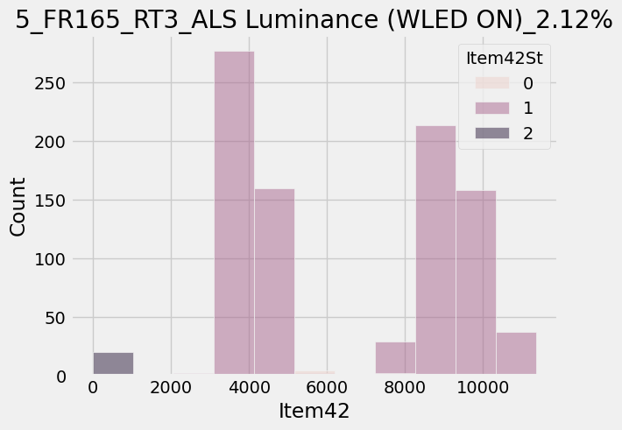
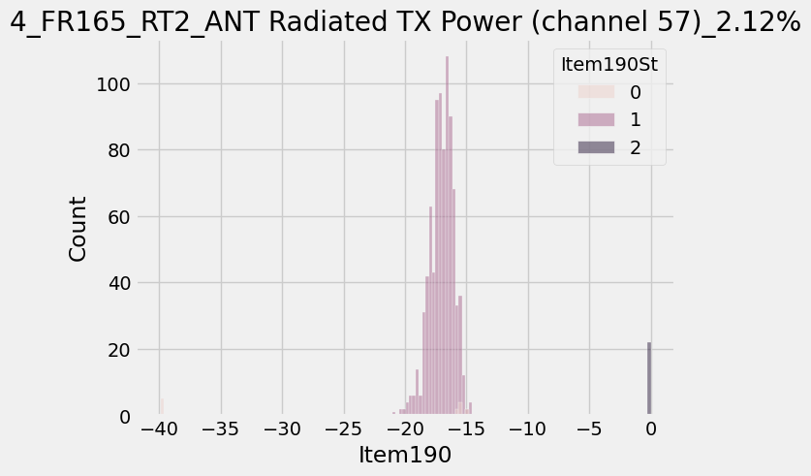
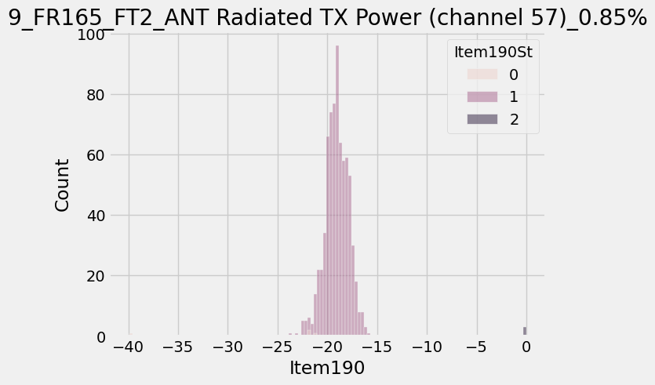
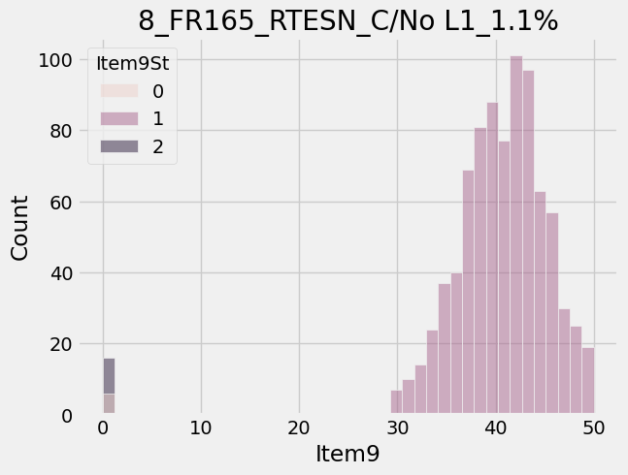
ItemNameType | ProcessType | Item | ItemName | CountCountESN | Retest | Comment
18825 | FR165_RT3 | 74 | External Current (delta) - BL 40% - white page - delta DOVSS OFF-ON | 30/803 | 3.74 | 雙峰是因為兩家供應商 O是因為ITMXP的指令沒有設定好
18828 | FR165_FT3 | 42 | ALS Luminance (WLED ON) | 17/706 | 2.41 | 兩家廠商的差異。未來會兩家廠商分開測試程式，讓ITMXP讀LCM code動態更改測試規格
18825 | FR165_RT3 | 34 | External Current (avg) - LPM - Display Idle - BL 10% - no charging | 19/803 | 2.37
8837 | Airtight_table | 129 | 變形量絕對值超出規格_常壓 | 15/695 | 2.16
18824 | FR165_RT2 | 190 | ANT Radiated TX Power (channel 57) | 17/803 | 2.12 | 設定時，開關時test program就沒有抓到值
18825 | FR165_RT3 | 42 | ALS Luminance (WLED ON) | 17/803 | 2.12 | 兩家廠商的差異。未來會兩家廠商分開測試程式，讓ITMXP讀LCM code動態更改測試規格
18828 | FR165_FT3 | 74 | External Current (delta) - BL 40% - white page - delta DOVSS OFF-ON | 13/706 | 1.84 | 雙峰是因為兩家供應商 0是因為ITMXP的指令沒有設定好
8837 | Airtight_table | 118 | 連續斜率異常_負壓 | 11/695 | 1.58
18825 | FR165_RT3 | 71 | External Current - BL 40% - white page - DOVSS OFF | 12/803 | 1.49
18822 | FR165_RTESN | 79 | 取得電池條碼|Get Battery SN | 12/820 | 1.46 | 電池S/N還在認證
18824 | FR165_RT2 | 194 | Manifest Event Test | 11/803 | 1.37
18823 | FR165_AutoRT1 | 205 | (Felica SPC)Check Console Data Prefix | 9/806 | 1.12 | 菲力卡補償，金屬若有在附近會影響讀值，所以把該項一到baro，附近沒有金屬
18822 | FR165_RTESN | 9 | C/No L1 | 9/820 | 1.1
18821 | FR165_AutoHT | 115 | 頻飄|Drift | 8/812 | 0.99
8837 | Airtight_table | 124 | 連續斜率異常_正壓 | 6/695 | 0.86
18827 | FR165_FT2 | 190 | ANT Radiated TX Power (channel 57) | 6/708 | 0.85
18823 | FR165_AutoRT1 | 187 | 頻飄_1%|Drift_1% | 5/806 | 0.62

